Basic vs. Shorewise heatmap
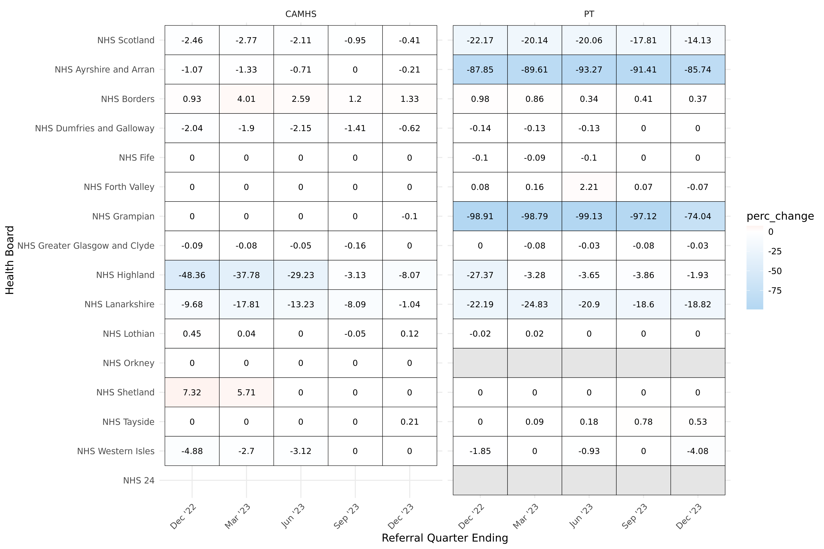
Heatmap showing the percentage change in total referrals between the Basic and Shorewise CAPTND data
Heatmap shows the percentage difference in retained referrals from Basic to Shorewise CAPTND data
Blue tones represent negative change - e.g. that Shorewise data has fewer referral records
Red tones represent positive change - e.g. that Shorewise data has more referral records
Data shown is for each of the last five quarters, with progress towards better data retention evident in several boards.

